Layer Feed Formulations
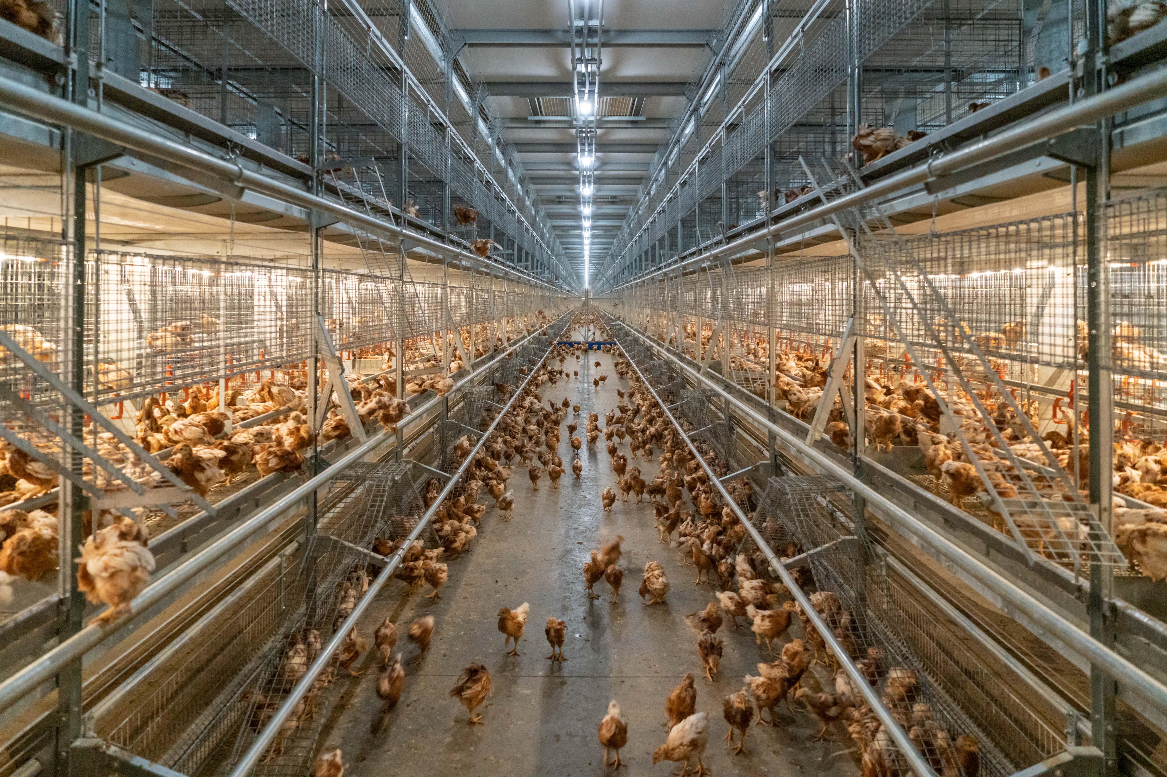
Feed Formulations Library | Installment 3
Layer Feed Formulas

Typical formulas for U.S. white and EU red layers
in both the development and production phases

Note: The layer feed formulas featured in this Excel document are part of a greater series, the Animal Feed Formulations Library. To view the full feature, visit www.FeedStrategy.com/animal-feed-formulations-library

Developed by Dr. Ioannis Mavromichalis
Brought to you by WATT Global Media & FeedStrategy.com

Ingredients
Code | Ingredients | AMEn | Protein | Fiber | Lipids | Ca | AvP | Na | Cl | K | dLys | dMet | dMC | dThr | dTrp | Choline | Lact Column
102 | Corn, ground | 3300 | 8.10 | 2.20 | 3.70 | 0.04 | 0.06 | 0.01 | 0.05 | 0.32 | 0.21 | 0.16 | 0.35 | 0.27 | 0.04 | 533
112 | Wheat soft, ground | 3150 | 10.50 | 2.20 | 1.50 | 0.07 | 0.19 | 0.01 | 0.09 | 0.40 | 0.26 | 0.15 | 0.38 | 0.27 | 0.11 | 919
202 | Soybean meal, 44% CP | 2430 | 45.30 | 6.00 | 1.90 | 0.34 | 0.14 | 0.03 | 0.05 | 2.11 | 2.53 | 0.58 | 1.15 | 1.58 | 0.50 | 2545
212 | Rapeseed meal, 35% CP | 2000 | 33.70 | 12.40 | 2.30 | 0.83 | 0.29 | 0.04 | 0.07 | 1.23 | 1.40 | 0.60 | 1.27 | 1.22 | 0.35 | 6539
224 | Corn DDGS, bioethanol | 2200 | 24.60 | 7.30 | 3.90 | 0.20 | 0.57 | 0.54 | 0.32 | 1.24 | 0.51 | 0.42 | 0.79 | 0.71 | 0.18 | 2221
312 | Fish meal, 70% CP | 3150 | 69.90 | 0.00 | 9.30 | 2.41 | 1.75 | 0.95 | 1.51 | 1.22 | 4.68 | 1.83 | 2.29 | 2.65 | 0.41 | 4690
324 | Poultry by-product meal, 60% CP | 2950 | 60.00 | 1.90 | 8.50 | 3.60 | 2.10 | 0.36 | 0.40 | 0.28 | 2.70 | 1.10 | 2.30 | 1.80 | 0.30 | 6029
450 | Wheat middlings, 7% CF | 2055 | 15.50 | 7.00 | 3.60 | 0.13 | 0.50 | 0.01 | 0.10 | 1.09 | 0.50 | 0.19 | 0.42 | 0.39 | 0.15 | 1174
500 | Soybean oil | 9200 | 0.00 | 0.00 | 99.00 | 0.00 | 0.00 | 0.00 | 0.00 | 0.00 | 0.00 | 0.00 | 0.00 | 0.00 | 0.00
602 | Salt | 0 | 0.00 | 0.00 | 0.00 | 0.00 | 0.00 | 36.00 | 57.00 | 0.00 | 0.00 | 0.00 | 0.00 | 0.00 | 0.00
603 | Sodium carbonate |  |  |  |  |  |  | 27.00
604 | Monocalcium phosphate | 0 | 0.00 | 0.00 | 0.00 | 17.50 | 18.78 | 0.10 | 0.15 | 0.15 | 0.00 | 0.00 | 0.00 | 0.00 | 0.00
610 | Calcium carbonate | 0 | 0.00 | 0.00 | 0.00 | 38.30 | 0.01 | 0.07 | 0.02 | 0.07 | 0.00 | 0.00 | 0.00 | 0.00 | 0.00
620 | L-Lysine HCl | 3346 | 95.40 | 0.00 | 0.00 | 0.00 | 0.00 | 0.00 | 19.50 | 0.00 | 79.80 | 0.00 | 0.00 | 0.00 | 0.00
622 | DL-Methionine | 4637 | 58.40 | 0.00 | 0.00 | 0.00 | 0.00 | 0.00 | 0.00 | 0.00 | 0.00 | 99.00 | 99.00 | 0.00 | 0.00
624 | L-Threonine | 3011 | 73.10 | 0.00 | 0.00 | 0.00 | 0.00 | 0.00 | 0.00 | 0.00 | 0.00 | 0.00 | 0.00 | 99.00 | 0.00
626 | L-Tryptophan | 5186 | 85.30 | 0.00 | 0.00 | 0.00 | 0.00 | 0.00 | 0.00 | 0.00 | 0.00 | 0.00 | 0.00 |  | 98.50
640 | Vitamin premix | 0 | 0.00 | 0.00 | 0.00 | 0.00 | 0.00 | 0.00 | 0.00 | 0.00 | 0.00 | 0.00 | 0.00 | 0.00 | 0.00
650 | Trace mineral premix | 0 | 0.00 | 0.00 | 0.00 | 0.00 | 0.00 | 0.00 | 0.00 | 0.00 | 0.00 | 0.00 | 0.00 | 0.00 | 0.00
660 | Choline chloride, 50% | 0 |  |  |  |  |  |  | 12.50 |  |  |  |  |  |  | 375000
701 | Citric acid | 0 | 0.00 | 0.00 | 0.00 | 0.00 | 0.00 | 0.00 | 0.00 | 0.00 | 0.00 | 0.00 | 0.00 | 0.00 | 0.00
900 | Antibiotic growth promoters | 0
910 | Coccidiostatic agent | 0
990 | Additives
9999 | Last ingredient - Do not add below this line | 0.00 | 0.00 | 0.00 | 0.00 | 0.00 | 0.00 | 0.00 | 0.00 | 0.00 | 0.00 | 0.00 | 0.00 | 0.00 | 0.00

NOTE:
The numbers above are provided here only for the purposes of this project, as an informational resource. No guarantee is provided regarding their accuracy. Please, consult with a qualified nutritionist regarding commercial feed ingredients.

